Sheet1
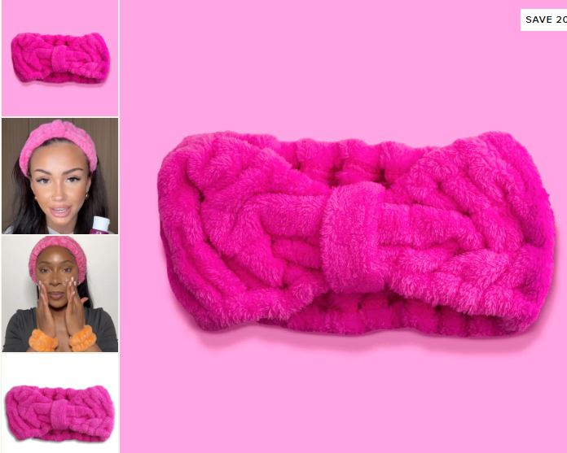
Product | EAN | Stock | RRP | Line RRP
Fleece Headband | 5056798300056 | 77,857 | £5.00 | £389,285.00
The Collagen Sheet Mask | 5065004260459 | 39,757 | £4.00 | £159,028.00
Reusable Makeup Pad - Black | 5065004260725 | 55,078 | £5.00 | £275,390.00
Reusable Makeup Pad - Pink | 5065004260718 | 21,466 | £5.00 | £107,330.00
Exfoliating Facial Pad | 5056798300087 | 46,175 | £3.00 | £138,525.00
Wide Tooth Comb | 5065004260763 | 38,427 | £4.00 | £153,708.00
Vitamin C Eye Gel Patches - 1 Pack | 5056798302432 | 96,103 | £5.00 | £480,515.00
Vitamin C Illuminating Cleanser | 5065004260596 | 62,216 | £12.00 | £746,592.00
10% Vitamin C Illuminating Serum | 5065004260602 | 63,879 | £12.00 | £766,548.00
Peach Punch Sea Salt Body Scrub | 5065004260442 | 16,579 | £10.00 | £165,790.00
Coconut Oil & Shea Butter Hand Cream | 5065004260770 | 49,637 | £6.00 | £297,822.00
Professional Tweezers | 5056798300063 | 16,134 | £5.00 | £80,670.00
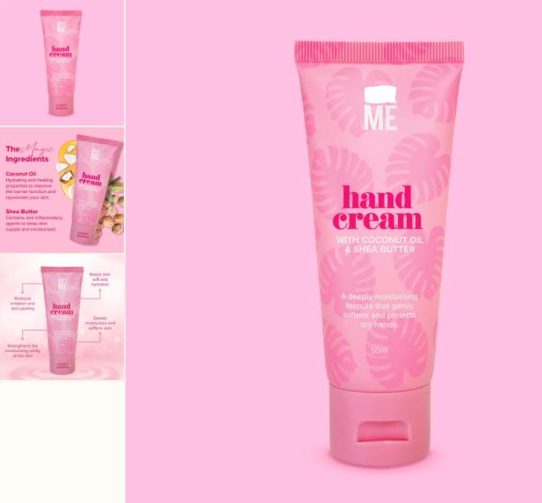
 |  | 583,308 |  | £3,761,203.00
